Sheet1
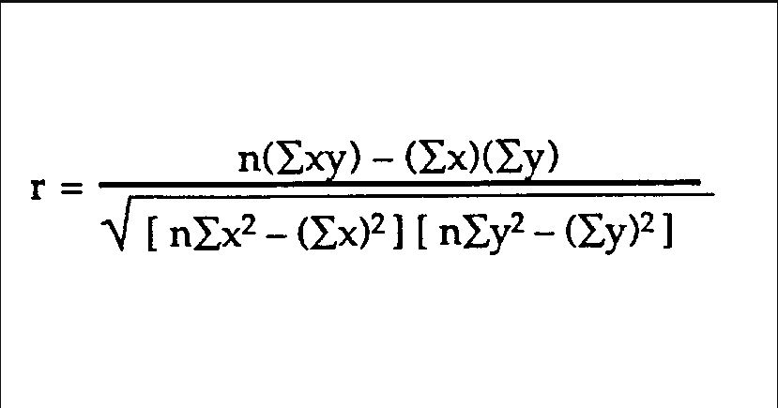
X | Y | Ratio
1 | 10 | 0.1
2 | 20 | 0.1
3 | 30 | 0.1
4 | 40 | 0.1
5 | 50 | 0.1

Correlation | 1.00

X | Y | Ratio | XY | X2 | Y2 | n | 5
1 | 10 | 0.1 | 10 | 1 | 100
2 | 18 | 0.11111111111 | 36 | 4 | 324 | Sum XY | 380 | 250
3 | 24 | 0.125 | 72 | 9 | 576
4 | 28 | 0.14285714286 | 112 | 16 | 784 | Sum(X) * Sum(Y) | 1650
5 | 30 | 0.16666666667 | 150 | 25 | 900
15 | 110 |  | 380 | 55 | 2684
 |  |  |  |  |  | Sum (X2) | 55 | 66000
Correlation | 0.9731236802 |  |  |  |  | SUM (Y2) | 2684 | 256.90465157
 | 0.9731236802
 |  |  |  |  |  |  | 50 | 0.9731236802
 |  |  |  |  |  |  | 1320

